1. Title Page
Grocery Basket Analysis

Project Name: Grocery Basket Analysis
Date: March 2022
Analyst Name: Charlie Gehant

Contents
Population Flow
Consistency Checks
Wrangling Steps
Column Derivations
Visualizations
Recommendations

Data Citation

“The Instacart Online Grocery Shopping Dataset 2017”, Accessed from https://www.instacart.com/datasets/grocery-shopping-2017 on 5th March 2022

Please note the customer dataset (customers.csv), as well as the prices column from the products dataset (products.csv), were fabricated for the purpose of this course/exercise.

Objective & Context

Instacart already has very good sales, but they want to uncover more information about their sales patterns. Your task is to perform an initial data and exploratory analysis of some of their data in order to derive insights and suggest strategies for better segmentation based on the provided criteria.

The Instacart stakeholders are most interested in the variety of customers in their database along with their purchasing behaviors. They assume they can't target everyone using the same methods, and they’re considering a targeted marketing strategy. They want to target different customers with applicable marketing campaigns to see whether they have an effect on the sale of their products. Your analysis will inform what this strategy might look like to ensure Instacart targets the right customer profiles with the appropriate products.

2. Population Flow
Population flow

orders_products__prior.csv
(original data)
[rows = 32.434.489 / columns = 4]
products.csv
(original data)
[rows = 49.693 / columns = 5]
customers.csv
(original data)
[rows = 206.209 / columns = 10]
orders.csv
(original data)
[rows = 3.421.083 / columns = 7]
departments.csv
(original data)
[rows = 1 / columns = 22]

orders_wrangled.csv
(script 4.4)
[rows = 3.421.083 / columns = 7]
products_ckecked.csv
(script 4.5)
[rows = 49.672 / columns = 5]
departments_wrangled.csv
+ departments_corrected.pkl
(script 4.4)
[rows = 21 / columns = 1]

orders_checked.csv
(script 4.5)
[rows = 3.421.083 / columns = 7]
orders_products_combined.pkl(script 4.6 (A))
[rows = 32.434.489 / columns = 11]
orders_products_merged.pkl
(script 4.6 (B))
[rows = 32.435.059 / columns = 16]
orders_products_customers.pkl
(script 4.9 (B))
[rows = 32.435.059 / columns = 36]
orders_products_customers_departments_.pkl
(script 4.10 (B))
[rows = 32.435.059 / columns = 39]

orders_products_new_variables.pkl
(script 4.7)
[rows = 32.435.059 / columns = 20]

EXCLUSION FLAG
OPC_no_lowactivity_cust.pkl
(script 4.10 (B))
[rows = 30.993.489 / columns = 35]
Condition = max_order <5
Observations removed = 1.441.570

orders_products_group_agg.pkl
(script 4.8 (B))
[rows = 32.435.059 / columns = 26]

1.) Grey boxes in the first row = original data sets (as downloaded), with their count of rows & columns.
2.) The second row of boxes (coloured) represents the data sets after you manipulated them, e.g., removed missing values and duplicates. In the Total fields you need to add the count of the rows after conducting these operations. This offers a visual oveview of how the data flows throughout the data consistency checks.
3.) The third row, where also the arrows are coloured, represents the merges you performed between the datasets. In the Total fields you need to add the count of the rows in the merged datasets, so that you end up with the final dataset (in the red box). Keep in mind the final dataset should be without exclusions (based on the exclusion flag).

3. Consistency Checks
 |  |  |  |  |  | Title page
Consistency checks

Dataset | Script | Missing values | Missing values treatment | Duplicates | Duplicates treatment
orders.csv | 4.4 | 206209 NaN in days_since_prior_order | - | none | -
 | 4.5 |  | Changed NaN to 0
departments.csv | 4.4 | 0 | - | none | -
products.csv | 4.5 | 16 NaN in product_name | Excluded from dataset | 5 | Excluded from dataset
customers.csv | 4.9 (B) | 11259 NaN in first_name | Renamed to Unknown | none | -

4. Wrangling Steps
Wrangling steps

Dataset | Script | Columns dropped | Columns renamed | Columns' type changed | Comment/Reason
orders.csv saved to orders_wrangled.csv | 4.4 | (eval_set)* | >> *somewhat this didn't save | - | No use for data research
 |  | - | order_dow > orders_day_of_week | - | Clearer name
 |  | - | - | order_id: int64 > string | Space saving, no need for int64
 |  | - | - | user_id: int64 > string | Space saving, no need for int64
departments.csv saved to departments_wrangled.csv + departments_corrected.pkl | 4.4 | Transposed & re-indexed dataset |  |  | To use it / merge it with other datasets

customers.csv saved to orders_products_customers.pkl | 4.9 (B) | - | First Name > first_name | - | Clearer name
 |  | - | Surnam > last_name | - | Clearer name
 |  | - | Gender > gender | - | Clearer name
 |  | - | STATE > state | - | Clearer name
 |  | - | Age > age | - | Clearer name
 |  | - | fam_status > family_status | - | Clearer name
 |  | - | - | user_id: int64 > string | Space saving, no need for int64
orders_products_group_agg.pkl saved to orders_products_customers.pkl | 4.9 (B) | - | - | user_id: int64 > string | To merge data
orders_products_customers.pkl saved to orders_products_customers_departments.pkl | 4.10 (B) | first_name | - | - | Hiding PII
 |  | last_name | - | - | Hiding PII
 |  | eval_set | - | - | Meant to be done in step 4.4 (see *)
 |  | - | - | department_id: int64 > string | Needed for merge

5. Column Derivations
Column derivations and aggregations

Dataset | Script | New column | Column/s it was derived from | Conditions
orders_products_combined.pkl | 4.6 (A) | _merge | merging dataframes on 'order_id' | both
orders_products_merged.pkl | 4.6 (B) | opp_merge | merging dataframes on 'product_id' | both + left_only
orders_products_new_variables.pkl | 4.7 | price_range_loc | from 'prices' | Low-range product or Mid-range product or High-range product
 |  | busiest_day | from 'orders_day_of_week' | Busiest day or Least busy or Regular busy
 |  | busiest_days | from 'orders_day_of_week' | Busiest two days or Slowest two days or Regularly busy
 |  | busiest_period_of_day | from 'order_hour_of_day' | Most orders or Fewest orders or Average orders
orders_products_group_agg.pkl | 4.8 (B) | max_order | from 'user_id' & 'order_number' | continuous variable
 |  | loyalty_flag | from 'max_order' | Loyal customer or Regular customer or New Customer
 |  | avg_spent | from 'user_id' & 'prices' | continuous variable
 |  | spender_flag | from 'avg_spent' | Low spender or High spender
 |  | median_order_freq | from 'user_id' & 'days_since_prior_order' | continuous variable
 |  | order_freq_flag | from 'median_order_freq' | Non-frequent customer or Regular customer or Frequent customer
orders_products_customers.pkl | 4.9 (B) | user_id_merge | merging dataframes on 'user_id' | both
orders_products_customers_departments.pkl | 4.10 (B) | region | from 'state' | Northeast or Midwest or South or West
 |  | activity_flag | from 'max_order' | Low activity or Normal activity
 |  | age_flag | from 'age' | 18-20 or 21-29 or 30-39 or 40-49 or 50-59 or 60-69 or 70+
 |  | d_id_merge | merging dataframes on 'dept_id' | both + left_only

6. Visualizations
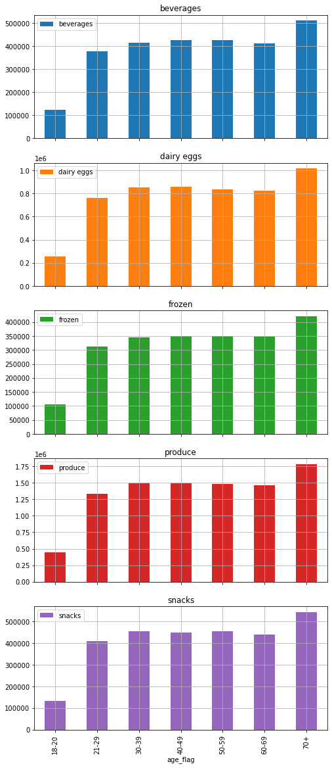
Visualisations

In this tab you should include all the visualtions from Exercises 4.9 and 4.10, alongside the questions from the project brief that they answer. Include any commentary on the relationship between different variables.

Key Questions

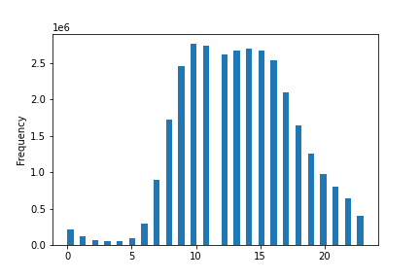
 |  |  |  |  |  | Orders by Time of Day
 |  |  |  | Orders by Day of Week |  | (histogram with 48 & 24 bins)
 |  |  |  |  |  |  |  |  |  | Hour / Orders
1. The sales team needs to know what the busiest days of the week and hours of the day are (i.e., the days and times with the most orders) in order to schedule ads at times when there are fewer orders. Busiest days = Saturday & Sunday Quietest days = Tuesday & Wednesday Regular days = Monday, Thursday & Friday Busiest time (>2.7m orders) = 10am-11am Relatively busy (>2.5m orders) = 12pm-4pm Regular (>500k & <2.5m orders) = 7am-9am + 5pm-10pm Relatively quiet (<500k orders) = 11pm-1am + 6am Quietest time (<100k orders) = 2am-5am |  |  | Sat Sun Mon Tue Wed Thu Fri |  | 0 = Saturday 1 = Sunday 2 = Monday 3 = Tuesday 4 = Wednesday 5 = Thursday 6 = Friday | 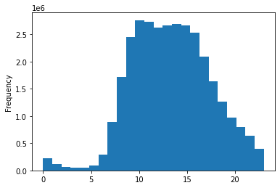 |  |  |  | 10 2761760 11 2736140 14 2689136 15 2662144 13 2660954 12 2618532 16 2535202 9 2454203 17 2087654 8 1718118 18 1636502 19 1258305 20 976156 7 891054 21 795637 22 634225 23 402316 6 290493 0 218769 1 115700 5 87961 2 69375 4 53242 3 51281

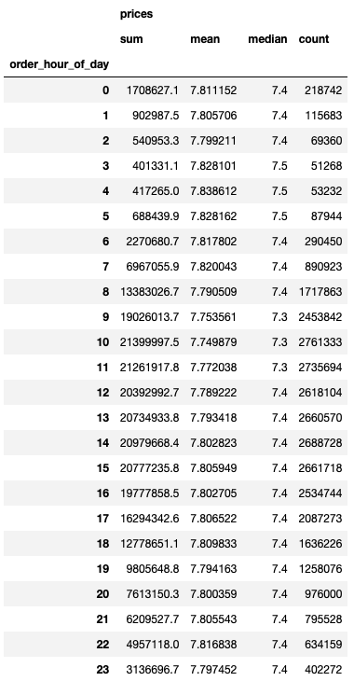
2. They also want to know whether there are particular times of the day when people spend the most money, as this might inform the type of products they advertise at these times. In terms of days, people spend the most money on Friday & Saturday. In terms of hours, people spend the most money between 3am-5am. >> People spending money late at night on the weekend. Could this be a 'drunk customer' pattern..? Definitely an odd / interesting pattern. |  |  | Average Product Price by Orders by Day of Week |  |  |  |  |  | Average Product Price by Orders by Hour of Day
 |  | 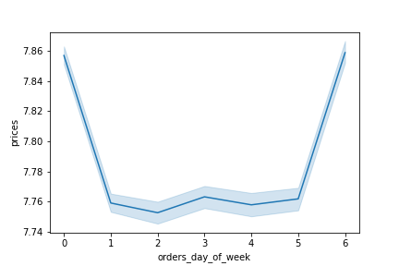 |  |  | 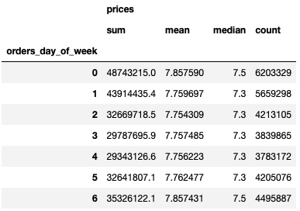 |  |  | 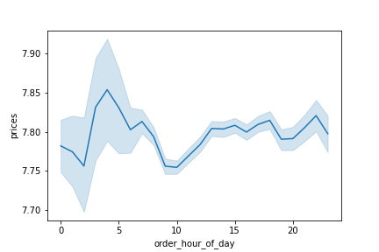

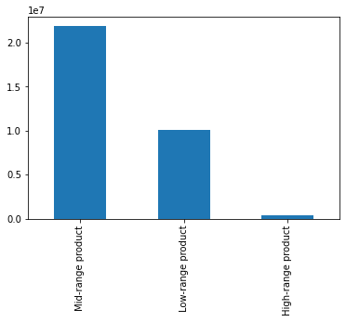 3. Instacart has a lot of products with different price tags. Marketing and sales want to use simpler price range groupings to help direct their efforts. I separated the products in 3 price categories: Low-range products (< $5) = 10.126.321 Mid-range products (> $5 & < $15) = 21.860.860 High-range products (> $15) = 417.678 |  | Orders by Product Range

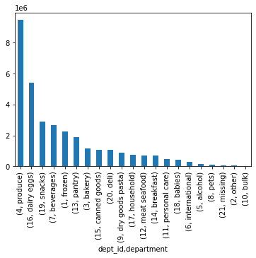 4. Are there certain types of products that are more popular than others? The marketing and sales teams want to know which departments have the highest frequency of product orders. The most popular deparment is by far Produce , it is seconded by Dairy & Eggs. The top 10 is: 1. Produce 2. Dairy & Eggs 3. Snacks 4. Beverages 5. Frozen 6. Pantry 7. Bakery 8. Canned Goods 9. Deli 10. Dry Good Pasta |  | Orders by Departments

5. The marketing and sales teams are particularly interested in the different types of customers in their system and how their ordering behaviors differ. For example:

 |  |  | Customer Distribution
 | 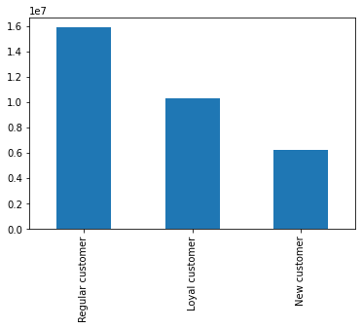 5 (a). What’s the distribution among users in regards to their brand loyalty (i.e., how often do they return to Instacart)? Regular customer (20-40 orders) Total = 15.891.507 Loyal customer (>40 orders) Total = 10.294.027 New customer (<10 orders) Total = 6.249.525

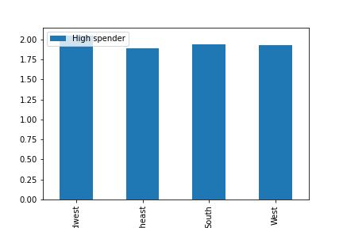
 | 5 (b). Are there differences in ordering habits based on a customer’s loyalty status? The difference in ordering habits in the top 5 departments between customer's loyalty status is not major. I normalized the results to be able to truly analyse the data. The main points are: 1. Loyal customers order the least frozen products compared to the other groups. Could this be because our frozen products do not get to them in a satisfactory frozen state? Or are we not as competitive in this department? 2. New customers hold the biggest share of frozen produce orders. This support the above question/theory. Maybe they come to Instacart for this but are disappointed. 3. Snacks always represents about 13% of all 3 customer's groups and beverages about 12%. |  | Orders by Loyality Status from the Top 5 Departments
 |  |  | 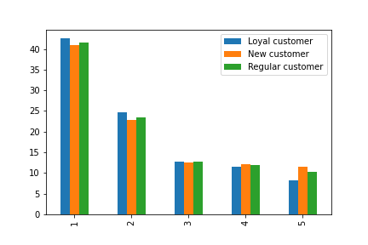 Produce Dairy Eggs Snacks Beverages Frozen
 |  |  | Percentage of High Spenders by Region
 | 5 (c). Are there differences in ordering habits based on a customer’s region? There is a slight difference between high spenders between regions. The Midwest has the highest percentage of High Spenders (2,05%), followed by the South (1,94%) and the West (1,93%). Finally the Northeast has the least High Spenders (1,89%).

 | 5 (d). Is there a connection between age and family status in terms of ordering habits? Even though there is a clear correlation between age and family status (e.g. living with relative = 18-29 only, divorced/widowed = 60-70+ only, etc), there are no clear correlations between family status and ordering habits from the top 5 departments. There are only very slight differences such as: Divorced/Widowed (60-70+) order slightly less from the dairy eggs department. Living with Relative (18-29) order slightly less from the beverages department. |  |  | Orders by Family Status from Top 5 Departments |  |  | Repartition of customers by Age and Family Status
 |  |  | 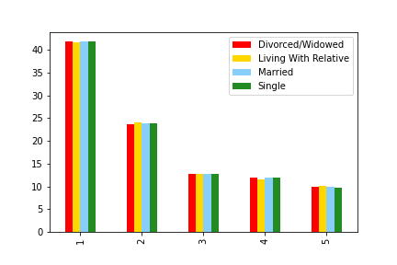 | Produce Dairy Eggs Snacks Beverages Frozen |  | 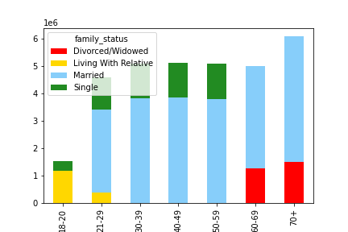
 |  |  |  |  |  |  |  |  |  |  |  | Age distribution by Region

 | 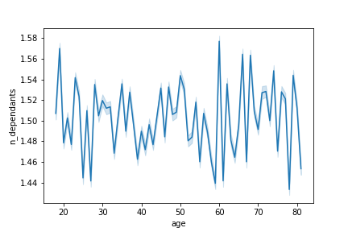 5 (e). What different classifications does the demographic information suggest? Age? Income? Certain types of goods? Family status? 1. There is no correlation between age & number of dependants. ** 2. There is a strong relationship between age & income. To note; from 41 the average income jumps up dramatically. ** 3. There is a strong relationship between family status and number of dependants. In fact, the relationship is too strong (values = 0) and it indiicates that the data has been fabricated. ** 4. The age distribution differs from region to region: proportionally Midwest & Northeast have more 40-49, South has more 30-39 and West has more 50-59. ** This data has been fabricated for the purpose of this exercise, hence the data is not organic and I suppose the real data would look quite different. |  |  | Age vs Number of Dependants |  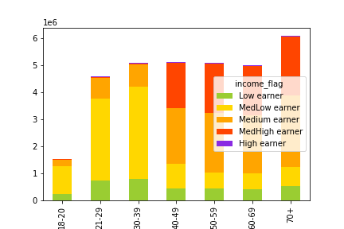 | Age vs Income |  |  | 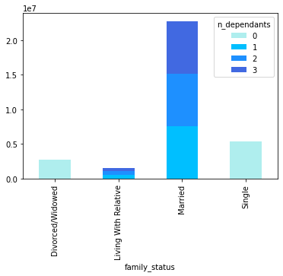 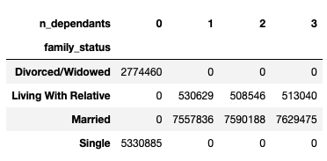 Family Status vs Number of Dependants |  | 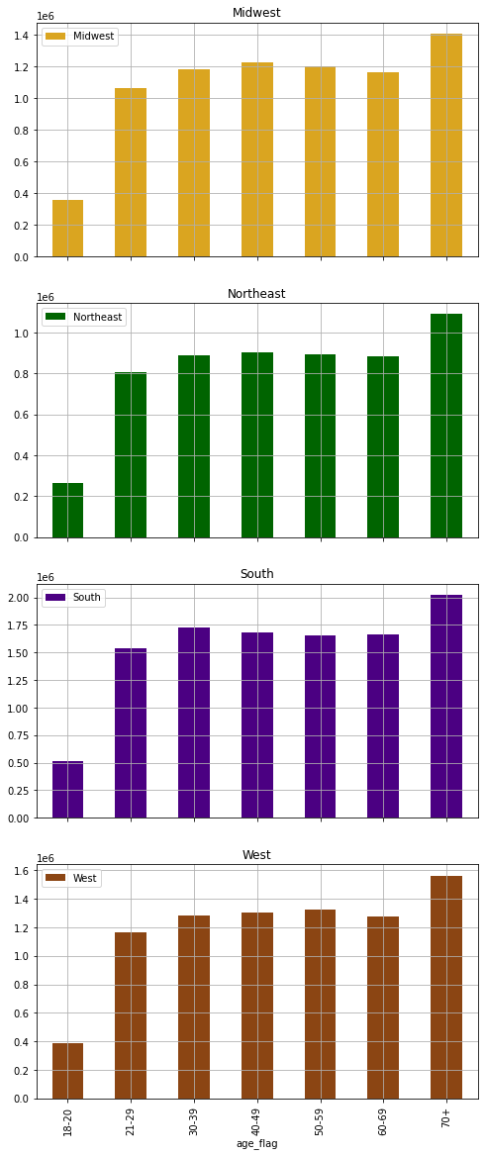

 | 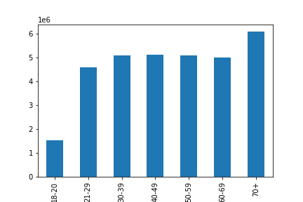 5 (f). What differences can you find in ordering habits of different customer profiles? Consider the price of orders, the frequency of orders, the products customers are ordering, and anything else you can think of. >> Using the age flags (first bar chart) to explore the differences in ordering habits. The reason behind this is because, in my opinion, it is the best way to differentiate customers because the repartition of customers is fairly equal between 21-69 years. Therefore it is easy to get a feel for the data without normalizing it. 1. The age range 40-49 have a high amount of high spenders and the age range 50-59 have a low amount of high spenders. 2. There is a slight peak of frequent customers in the age range 40-49 years. 3. There are only very slight differences in ordering habits between age groups. |  |  | Customers by Age |  | High Spenders by Age |  |  |  | Order Frequency by Age
 |  |  |  |  | 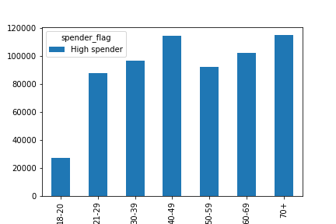 |  |  |  | 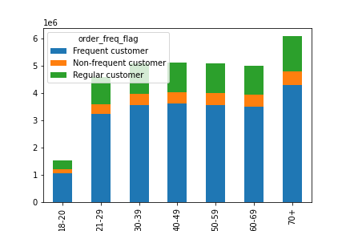
 |  |  |  |  |  | Age vs Orders by Departments

7. Recommendations
Recommendations

In this tab you should include any recommendations you would made to Instcart in terms of their marketing strategy based on the questions posed in the brief. Every key question has been covered in the Tasks of the Exercises - here you need to add an item - a visualisation or table/crosstable that is showing the answer in the data, acompanied by a comment from you. Please, list the questions below and add the answer underneath.

1. The sales team needs to know what the busiest days of the week and hours of the day are (i.e., the days and times with the most orders) in order to schedule ads at times when there are fewer orders.

AIM: Schedule ads at time when there are fewer orders.

RECOMMENDATION:
Generally speaking ads should be schedule on Tuesdays & Wednesdays, the two quietest days.
In terms of scheduling times, the quiet times (Quietest & Relatively quiet) are between 11pm-6am, but that's because the average person is sleeping then (and most shops are closed), therefore I believe it would be a waste to advertise during these times.
Instead, I would recommend advertising during the 'Regular times', between 7am-9am and 5pm-10pm, in order to maximise the reach of adverts.
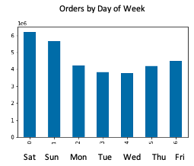
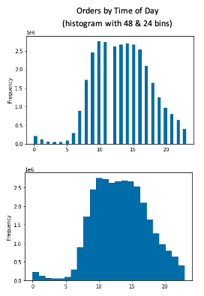

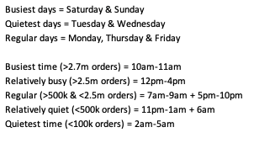

2. They also want to know whether there are particular times of the day when people spend the most money, as this might inform the type of products they advertise at these times.
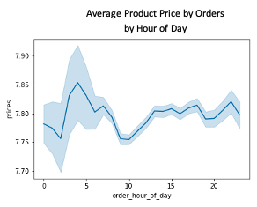
AIM: Find out when people spend most money (mean price)

People spend the most money on Fridays & Saturdays, between 3am-5am.

RECOMMENDATION: Run ads and send newsletters during this time frame (Fri & Sat, 3am-5am)
to catch more customers, as they tend to spend more than average then.

3. Instacart has a lot of products with different price tags. Marketing and sales want to use simpler price range groupings to help direct their efforts.
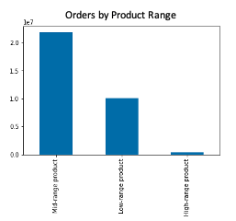
AIM: Create a simpler price range grouping, namely create three bins for price ranges

I separated the products in 3 price categories:
Low-range products (< $5) = 10.126.321 products
Mid-range products (> $5 & < $15) = 21.860.860 products
High-range products (> $15) = 417.678 products

RECOMMENDATION: These can be used to advertise a bunch of products at a time, without the need
to select specific products. For example advertising 'low range' products to 'low income'.

I believe even more categories could be created as well to alow for greater control.

4. Are there certain types of products that are more popular than others? The marketing and sales teams want to know which departments have the highest frequency of product orders.

AIM: Produce a bar chart of departments and products by popularity

RECOMMENDATION: Seeing as most orders belong into the 'produce' or 'dairy eggs' categories, I believe it could be interesting to work on renaming some of the departments.
This could allow for greater insights and analysis potential; for example by having 'produce' split into 'Organic Produce' and 'Non-Organic Produce'.

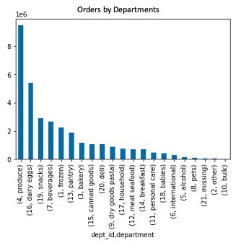
 |  |  | Most Sold Products
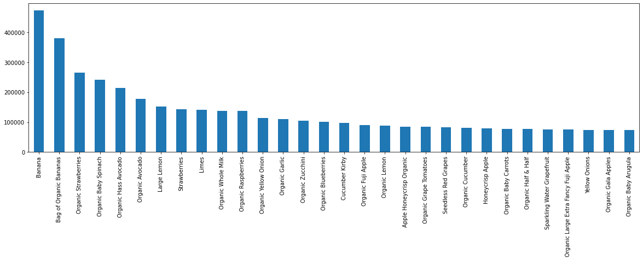

5. The marketing and sales teams are particularly interested in the different types of customers in their system and how their ordering behaviors differ. For example:

 | 5 (a). What’s the distribution among users in regards to their brand loyalty (i.e., how often do they return to Instacart)?
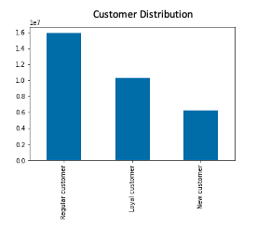
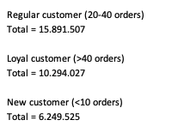
 | AIM: Create three categories for customers according to their loyalty to Instacart

 | RECOMMENDATION: Use this categories to advertise differently to different customers.
 | For example:
 | > Free delievery for new customers, or $10 off first order, etc
 | > Special discounts and offers for loyal customers via newsletter and website
 | > Incentive and promotions for regular customers to become loyal customers

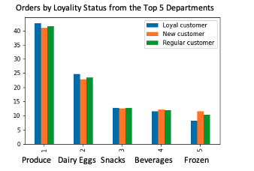
 | 5 (b). Are there differences in ordering habits based on a customer’s loyalty status?
 |  |  |  |  |  | RAW
 | AIM: Create a bar charts representing orders by loyalty status |  |  |  |  | loyalty_flag | TOTAL | produce | dairy eggs | snacks | beverages | frozen
 |  |  |  |  |  | Loyal customer | 7385710 | 3147376 | 1830707 | 943150 | 855017 | 609460
 | RECOMMENDATION: |  |  |  |  | New customer | 4240648 | 1736622 | 971621 | 534251 | 512871 | 485283
 | A. Use this chart to advertise different departments to different customers. |  |  |  |  | Regular customer | 11062096 | 4595293 | 2596419 | 1410149 | 1320235 | 1140000
 | For example: advertise frozen to new customers; |  |  |  |  | NORMALIZED
 |  | advertise produce & dairy eggs to loyal customers, etc |  |  |  | loyalty_flag | TOTAL | produce | dairy eggs | snacks | beverages | frozen
 | B. Investigate (survey) why loyal customers order less frozen products. |  |  |  |  | Loyal customer | 7385710 | 42.61 | 24.79 | 12.77 | 11.58 | 8.25
 | It is possible our frozen products do not get to them in satisfactory condition. |  |  |  |  | New customer | 4240648 | 40.95 | 22.91 | 12.60 | 12.09 | 11.44
 |  |  |  |  |  | Regular customer | 11062096 | 41.54 | 23.47 | 12.75 | 11.93 | 10.31

 | 5 (c). Are there differences in ordering habits based on a customer’s region?
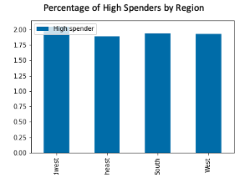
 | AIM: Create a bar chart showcasing spending habit
 |  |  |  | region | High spender | Low spender | Total Spenders | % of High Spenders | % of Low Spenders
 | RECOMMENDATION: |  |  | Midwest | 156,084 | 7,447,932 | 7,604,016 | 2.05 | 97.95
 | Advertsie more expensive products to customers based in the Midwest. |  |  | Northeast | 108,276 | 5,620,168 | 5,728,444 | 1.89 | 98.11
 | Advertise cheaper products to customers based in the Northeast. |  |  | South | 209,878 | 10,592,104 | 10,801,982 | 1.94 | 98.06
 | Advertise regular priced products to customers in the South and West. |  |  | West | 160,440 | 8,140,177 | 8,300,617 | 1.93 | 98.07

 |  |  |  | High Spender = average spent > $10
 |  |  |  | Low Spender = average spent < $10

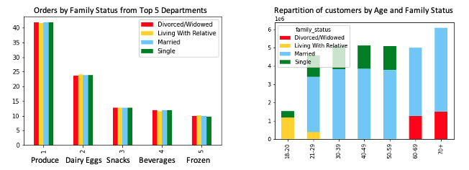
 | 5 (d). Is there a connection between age and family status in terms of ordering habits?
 |  |  |  |  |  |  |  |  |  |  | RAW
 | AIM: Find if there is a correaltion between age, family status and ordering habits. |  |  |  |  |  |  |  |  |  | family_status | TOTAL | produce | dairy eggs | snacks | beverages | frozen
 |  |  |  |  |  |  |  |  |  |  | Divorced/Widowed | 1946141 | 812834 | 461911 | 246796 | 231025 | 193575
 | RECOMMENDATION: |  |  |  |  |  |  |  |  |  | Living With Relative | 1080740 | 449628 | 260787 | 137163 | 124629 | 108533
 | From my findings, the correlation is not strong enough to be worth pursuing. |  |  |  |  |  |  |  |  |  | Married | 15930507 | 6654218 | 3788598 | 2029589 | 1889052 | 1569050
 |  |  |  |  |  |  |  |  |  |  | Single | 3731066 | 1562611 | 887451 | 474002 | 443417 | 363585
 |  |  |  |  |  |  |  |  |  |  | NORMALIZED
 |  |  |  |  |  |  |  |  |  |  | family_status | TOTAL | produce | dairy eggs | snacks | beverages | frozen
 |  |  |  |  |  |  |  |  |  |  | Divorced/Widowed | 1946141 | 41.77 | 23.73 | 12.68 | 11.87 | 9.95
 |  |  |  |  |  |  |  |  |  |  | Living With Relative | 1080740 | 41.60 | 24.13 | 12.69 | 11.53 | 10.04
 |  |  |  |  |  |  |  |  |  |  | Married | 15930507 | 41.77 | 23.78 | 12.74 | 11.86 | 9.85
 |  |  |  |  |  |  |  |  |  |  | Single | 3731066 | 41.88 | 23.79 | 12.70 | 11.88 | 9.74

